Hoja 1
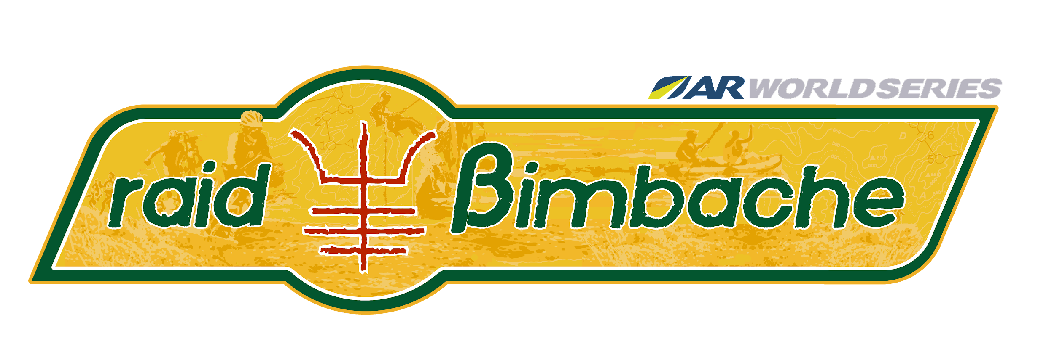

RAID BIMBACHE ARWS 2025. MARRUECOS. FORMULARIO DE INSCRIPCION

TEAM | Team Name | Country | Name | Surname | ID CARD | Gender | birthday | Email | Ttelephone number | ARWS races | ARWC races
Team member 1 . Captain
Team member 2
Team member 3
Team member 4
CREW
Acompapañante
Acompapañante
Otros...

INSCRIPCION
Precio Inscripción | 2.600€ per team
Selecciona opcion de pago | Insccripción completa 2.600€
Compañía | New Experience Group LLC. 8 The Green, Ste A. Dover (Delaware) 19901
BANCO | WISE. Rue du Trône 100, 3rd floor. Brussels. 1050. Belgium
IBAN | BE36 9677 5087 8881
BIC: | TRWIBEB1XXX
Concept | Raid Bimbache "Team Name"

 | TOTAL | Insccripción completa 2.600€

